Portfolio Solution
Date: 1 Jun 20xx Version: 1 | Portfolio Goal: To create a future-ready organization that harnesses the power of digital technology and artificial intelligence, driving innovation, efficiency, and exceptional customer experiences. This vision reflects TechVision's commitment to embracing cutting-edge technology to achieve long-term success. |  | 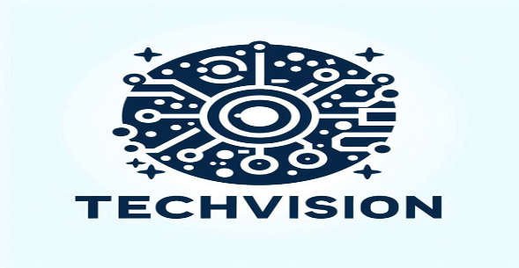

Program 1: Smart Retail Transformation | Program 2: Digital Healthcare Transformation | Program 3: Smart City Development | Program 4: Corporate Digital Transformation

Project 1: AI-Powered Inventory Management | Project 1: AI-Assisted Diagnostics | Project 1: AI-Driven Traffic Management | Project 1: AI-Powered HR Management

Project 2: Smart Checkout System | Project 2: Telemedicine Platform | Project 2: Smart Utility Management | Project 2: Cloud Migration

Project 3: Customer Engagement App | Project 3: Automated Medical Supply Chain | Project 3: Citizen Engagement Platform | Project 3: Customer Relationship Management (CRM) System

Project 4: Enhanced Security System | Project 4: Patient Engagement System | Project 4: Environmental Monitoring System | Project 4: Cybersecurity Enhancement

